Sheet1
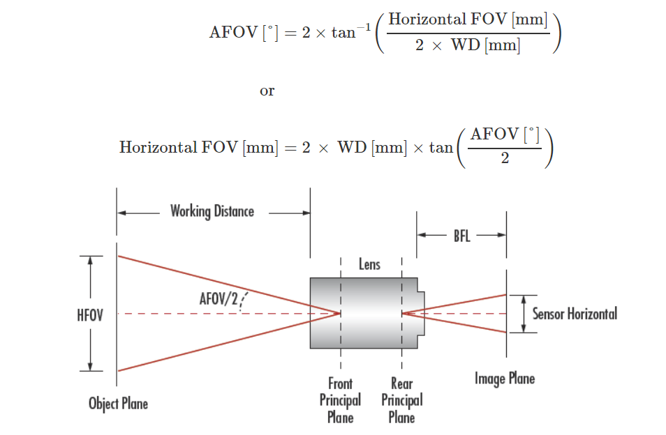
Angle of View: 62.2 x 48.8 degrees (if you use one of the modes that takes the full sensor; note some modes are cropped)
HFOV(mm) | Working distance | Angle | tan(angle) | How many lines in a picture | Soybean lines each | 30
4000 | 3315.4378885 | 62.2 | 0.60323856675 | 5.249343832 | 762
1809.7157002 | 1500 | 62.2 | 0.60323856675 | 2.3749549872 | 762
1689.0679869 | 1400 | 62.2 | 0.60323856675 | 2.2166246547 | 762
1568.4202735 | 1300 | 62.2 | 0.60323856675 | 2.0582943222 | 762
1447.7725602 | 1200 | 62.2 | 0.60323856675 | 1.8999639898 | 762
1327.1248468 | 1100 | 62.2 | 0.60323856675 | 1.7416336573 | 762
1206.4771335 | 1000 | 62.2 | 0.60323856675 | 1.5833033248 | 762

Angle of View: 160
HFOV(mm) | Working distance | Angle | tan(angle) | How many lines in a picture | Soybean lines each | 30
4000 | 352.65396142 | 160 | 5.6712818196 | 5.249343832 | 762 |  | https://www.edmundoptics.com/resources/application-notes/imaging/understanding-focal-length-and-field-of-view/
17013.845459 | 1500 | 160 | 5.6712818196 | 22.32788118 | 762
15879.589095 | 1400 | 160 | 5.6712818196 | 20.839355768 | 762
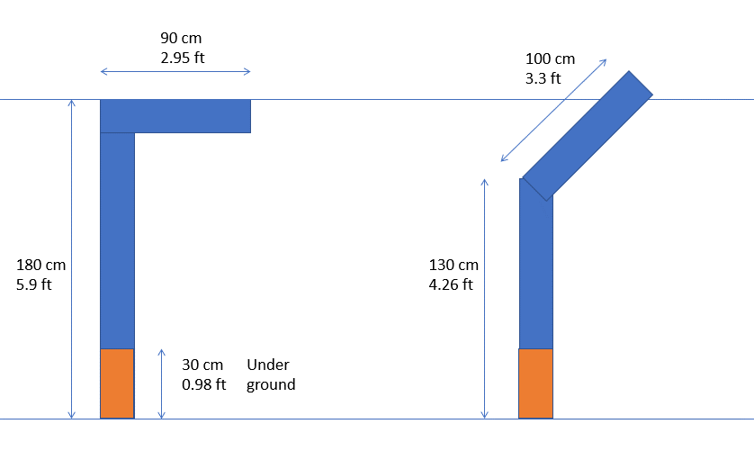
14745.332731 | 1300 | 160 | 5.6712818196 | 19.350830356 | 762
13611.076367 | 1200 | 160 | 5.6712818196 | 17.862304944 | 762
12476.820003 | 1100 | 160 | 5.6712818196 | 16.373779532 | 762
11342.563639 | 1000 | 160 | 5.6712818196 | 14.88525412 | 762

